REG
Modul : Authentication (Registration)
Source : https://demo.opencart.com

Test Case ID | Test Case Type | Test Scenario | Priority | Test Steps | Test Data | Environment | Pre-Condition | Expected Results | Actual Results | Screenshot | Status | Bug ID
REG_001 | Positive | Register with valid & unique data | P0 | - Open Register page - Fill all required fields - Check Privacy Policy - Click Continue | Firstname: Theo Lastname: Nugraha Email: theo.qa@gmail.com Password: valid123 | Google Chrome, macOS 14.5 | Email has never been registered | 1. Account successfully created 2. Redirected to success page | 1. Account successfully created 2. Redirected to success page |  | Passed
REG_002 | Negative | Register with missing First Name | P1 | - Open Register page - Leave First Name empty - Fill other fields - Click Continue | Firstname: (blank) Lastname: Nugraha Email: theo@mail.com Password: valid123 | Google Chrome, macOS 14.5 | - | Error: First Name is required | Error : First Name must be between 1 and 32 characters! |  | Passed
REG_003 | Negative | Register with missing Last Name | P1 | - Open Register page - Leave Last Name empty - Fill other fields - Click Continue | Firstname: Theo Lastname: (blank) Email: theo@mail.com Password: valid123 | Google Chrome, macOS 14.5 | - | Error: Last Name is required | Error : Last Name must be between 1 and 32 characters! | 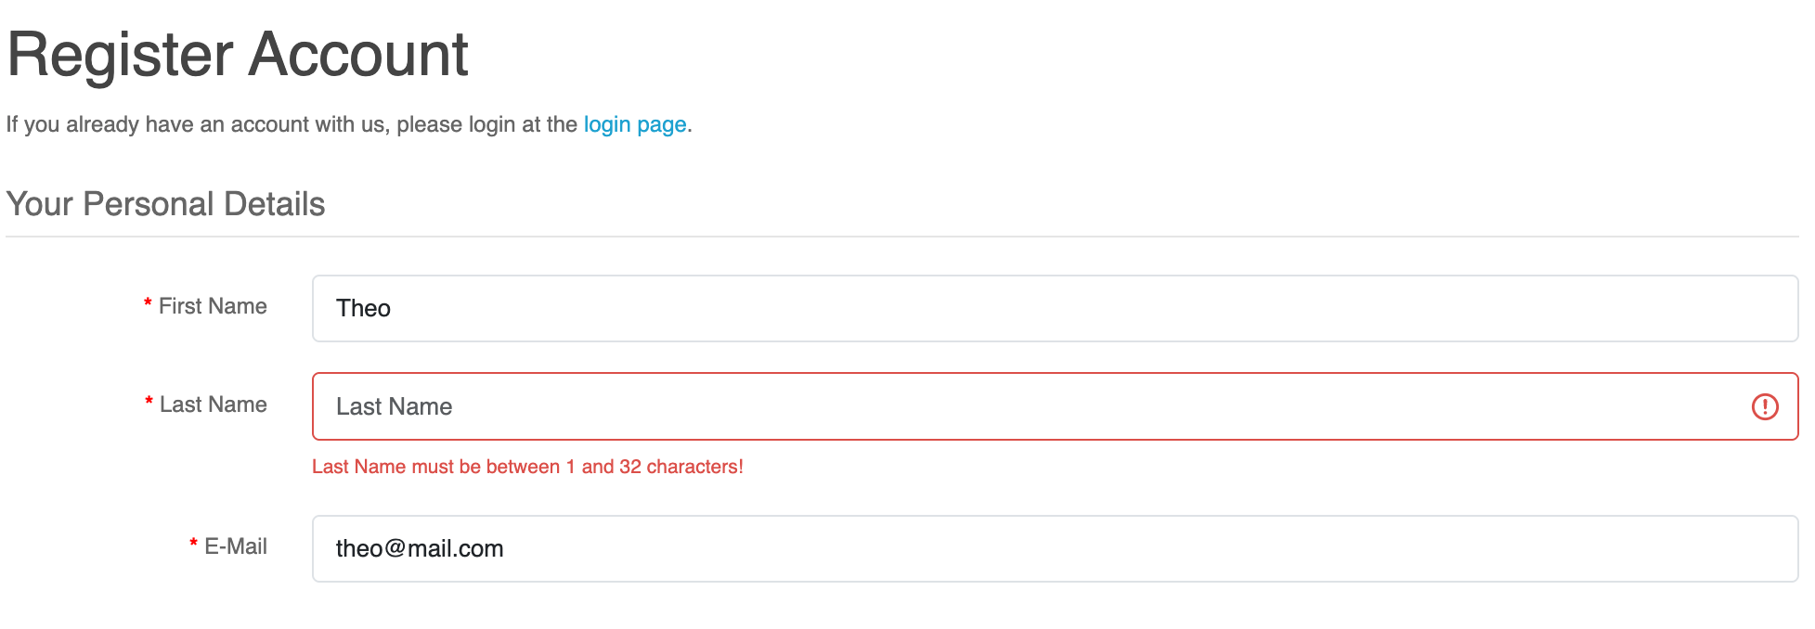 | Passed
REG_004 | Negative | Register with invalid email format | P2 | - Input email: "theo.com" - Click Continue | Email: theo.com | Google Chrome, macOS 14.5 | - | Error: Invalid email format | Error : Please include an '@' in the email address. 'theo.com' is missing an '@'. | 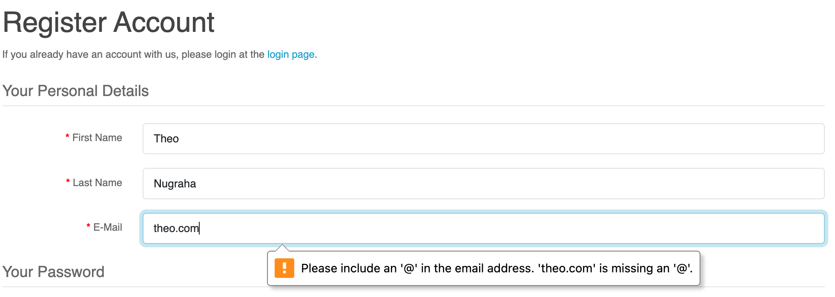 | Passed
REG_005 | Negative | Register with already registered email | P1 | - Use email that is already registered - Click Continue | Firstname: Theo Lastname: QA Email: theo.qa@gmail.com Password: test123 | Google Chrome, macOS 14.5 | Email has been registered | Error: Email already exists | Warning: E-Mail Address is already registered! |  | Passed
REG_006 | Negative | Register without checking Privacy Policy checkbox | P2 | - Fill all fields - Do NOT check Privacy Policy - Click Continue | Firstname: Theo Lastname: Nugraha Email: theo.2025@mail.com Password: valid123 | Google Chrome, macOS 14.5 | - | Error: Must agree to Privacy Policy | Warning: You must agree to the Privacy Policy! |  | Passed
REG_007 | Negative | Register with weak password | P2 | - Fill all fields - Use weak password: "123" - Click Continue | Firstname: Theo Lastname: Nugraha Email: theo.2025@mail.com Password: 123 | Google Chrome, macOS 14.5 | - | Error/warning for password strength (if implemented) | Error : Password must be between 4 and 20 characters! |  | Passed
REG_008 | Negative | Submit empty form | P1 | - Open Register page - Leave all fields empty - Click Continue | Firstname: (blank) Lastname: (blank) Email: (blank) Password: (blank) | Google Chrome, macOS 14.5 | - | All field-level validation messages appear | All field-level validation messages appear | 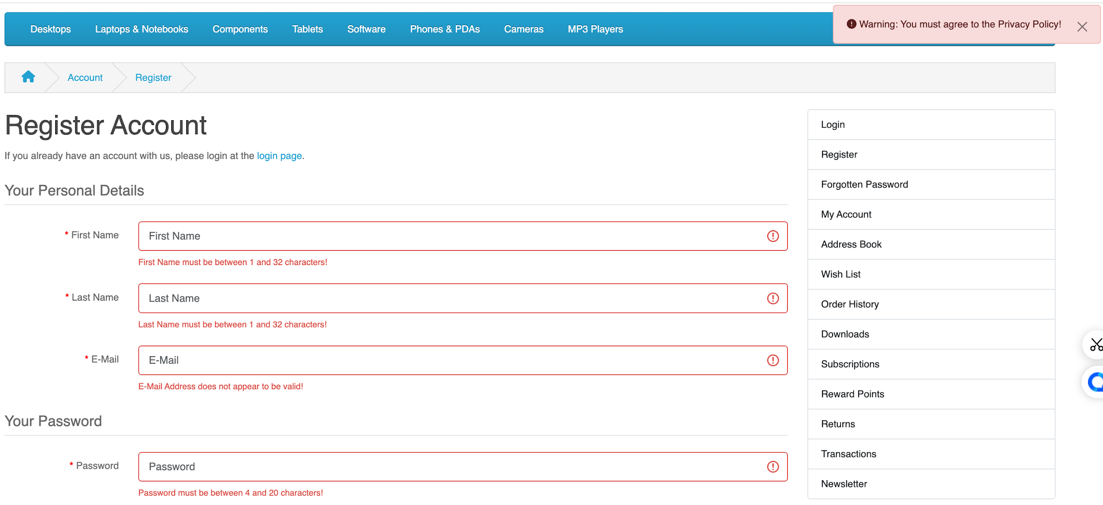 | Passed
REG_009 | Negative | Use name with symbols only | P3 | - Firstname: "@#$%" - Fill other fields - Click Continue | Firstname: @#$% Lastname: Nugraha Email: theo.2025@mail.com Password: valid123 | Google Chrome, macOS 14.5 | - | Validation error if system restricts special characters | 1. Account successfully created 2. Redirected to success page | 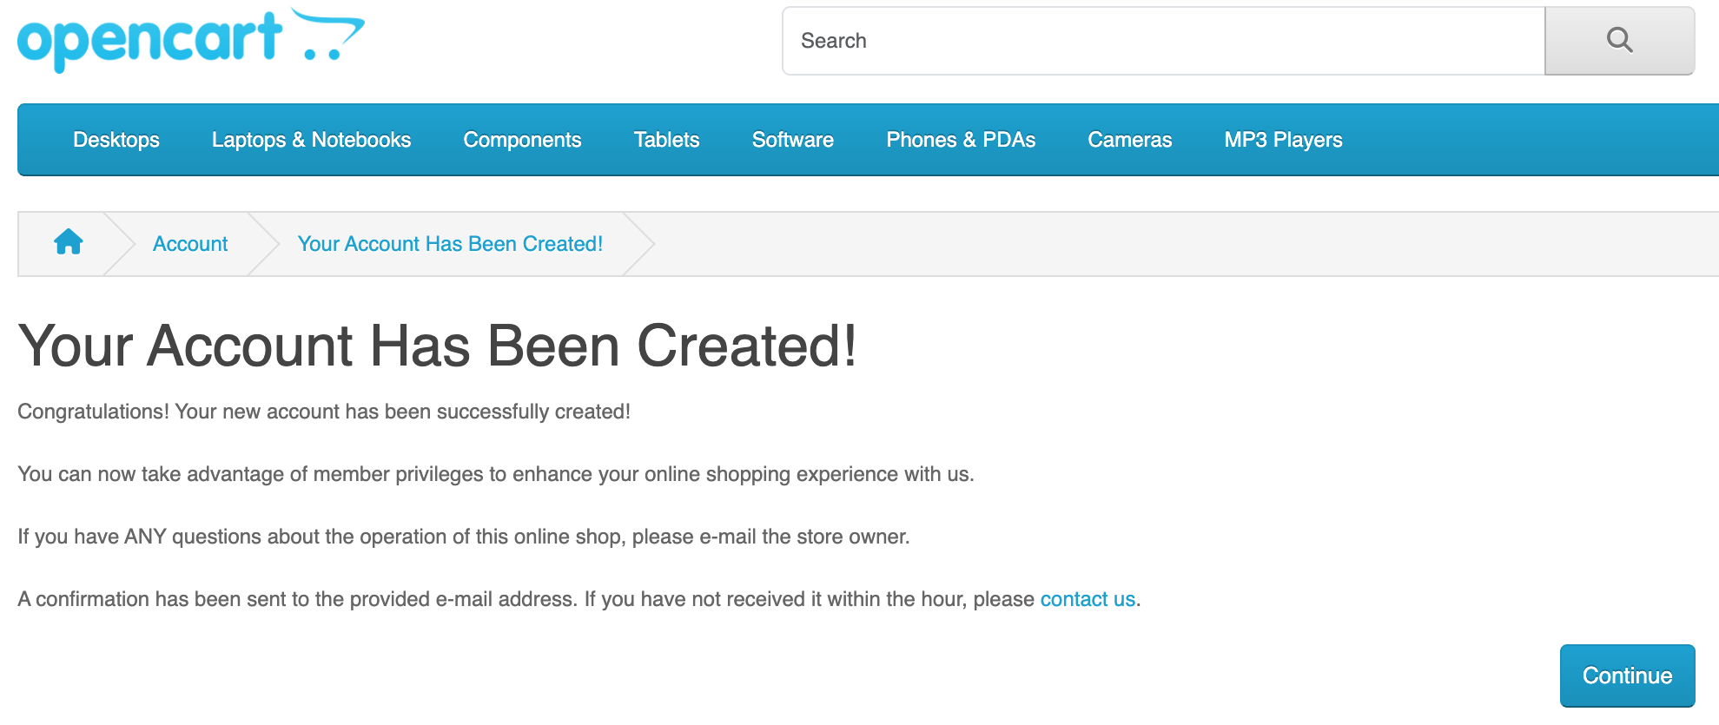 | Not Passed | BUG-001
REG_010 | Positive | Register with same name but different email | P2 | - Fill all fields with same name - Use different unique email - Click Continue | Firstname: Theo Lastname: Nugraha Email: theo_2025@xmail.com Password: valid123 | Google Chrome, macOS 14.5 | - | 1. Account successfully created 2. Redirected to success page | 1. Account successfully created 2. Redirected to success page | 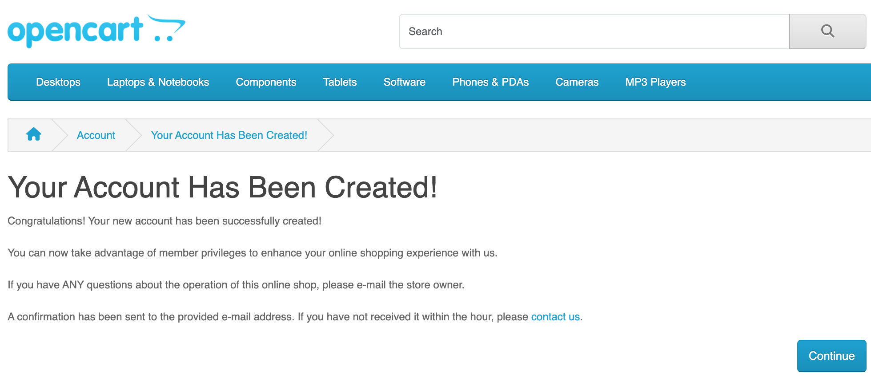 | Passed

LOG
Modul : Authentication (Login)
Source : https://demo.opencart.com

Test Case ID | Test Case Type | Test Scenario | Priority | Test Steps | Test Data | Environment | Pre-Condition | Expected Results | Actual Results | Screenshot | Status | Bug ID
LOG_001 | Positive | Login with valid email & password | P0 | - Open Login page - Input valid email & password - Click Login | Email: theo.qa@gmail.com Password: valid123 | Google Chrome, macOS 14.5 | User already registered | 1. Login successful 2. Redirected to My Account page | 1. Login successful 2. Redirected to My Account page | 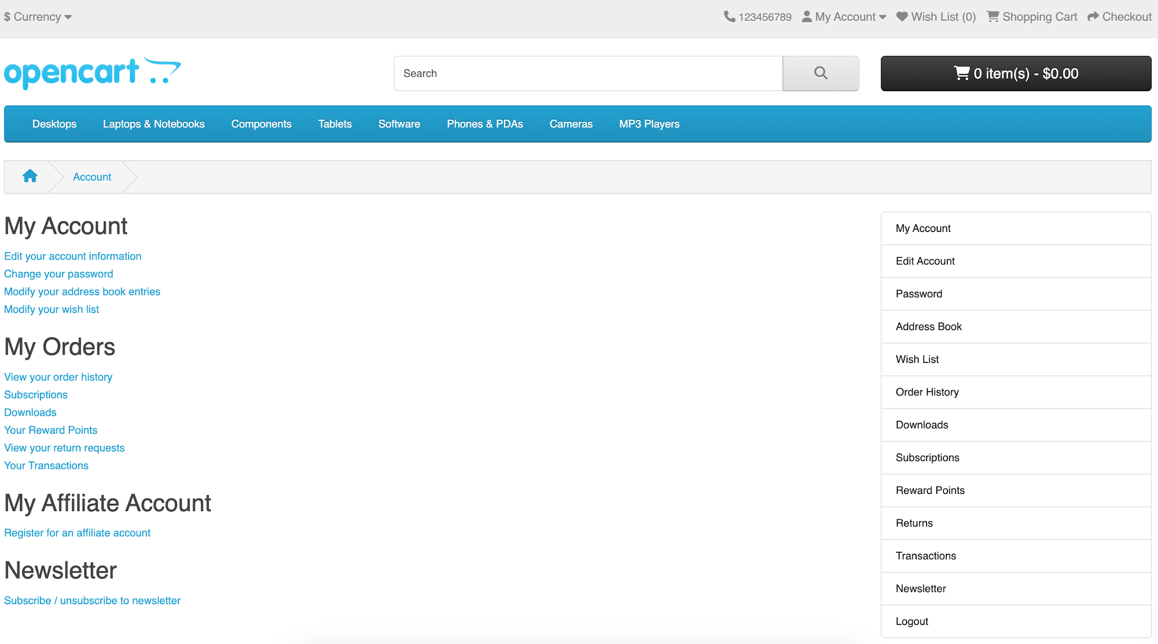 | Passed
LOG_002 | Negative | Login with invalid password | P1 | - Input valid email & wrong password - Click Login | Email: theo.qa@gmail.com Password: wrong123 | Google Chrome, macOS 14.5 | User already registered | 1. Login failed 2. Error message: "No match for E-Mail Address and/or Password." | 1. Login failed 2. Error message: "No match for E-Mail Address and/or Password." |  | Passed
LOG_003 | Negative | Login with unregistered email | P1 | - Input fake email & password - Click Login | Email: fake.qa@gmail.com Password: fake123 | Google Chrome, macOS 14.5 | - | 1. Login failed 2. Error message shown | 1. Login failed 2. Error message: "No match for E-Mail Address and/or Password." |  | Passed
LOG_004 | Negative | Login with empty email field | P1 | - Leave email blank - Input password - Click Login | Email: (blank) Password: valid123 | Google Chrome, macOS 14.5 | - | Error: Email is required | 1. Login failed 2. Error message: "No match for E-Mail Address and/or Password." |  | Passed
LOG_005 | Negative | Login with empty password field | P1 | - Input valid email - Leave password blank - Click Login | Email: theo.qa@gmail.com Password: (blank) | Google Chrome, macOS 14.5 | - | Error: Password is required | 1. Login failed 2. Error message: "No match for E-Mail Address and/or Password." |  | Passed
LOG_006 | Negative | Login with both fields empty | P1 | - Leave email & password empty - Click Login | Email: (blank) Password: (blank) | Google Chrome, macOS 14.5 | - | Validation errors for both fields | 1. Login failed 2. Error message: "No match for E-Mail Address and/or Password." |  | Passed
LOG_007 | Negative | Login with invalid email format | P2 | - Input "theo.com" as email - Fill password - Click Login | Email: theo.com Password: valid123 | Google Chrome, macOS 14.5 | - | Error: Invalid email format | 1. Login failed 2. Error message: "No match for E-Mail Address and/or Password." |  | Passed
LOG_008 | Negative | Login attempt with script injection | P2 | - Input "<script>alert('x')</script>" in email - Fill password - Click Login | Email: <script>alert('x')</script> Password: valid123 | Google Chrome, macOS 14.5 | - | 1. Input sanitized 2. Login fails 3. Page not broken | The login page doesn't respond to anything, nothing changes. | 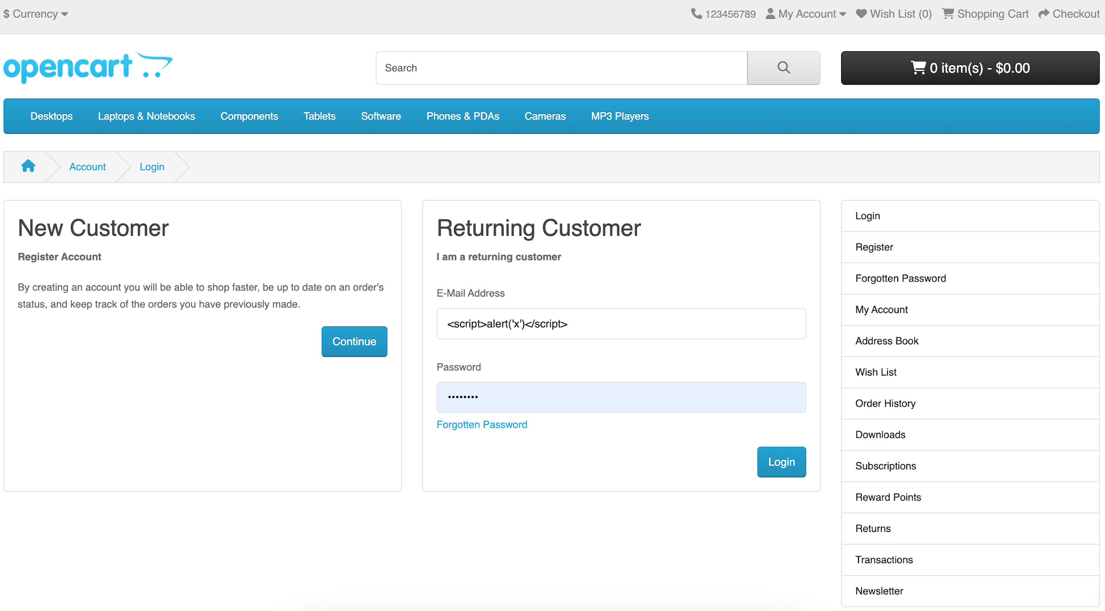 | Not Passed | Bug-002
LOG_009 | Negative | Login while already logged in | P3 | - Login successfully - Try accessing login page again via direct URL | - | Google Chrome, macOS 14.5 | Already logged in | System redirects to My Account or shows "already logged in" | Error : "Warning: Invalid token session. Please login again!" |  | Not Passed | Bug-003
LOG_010 | Positive | Login with different valid account | P2 | - Logout - Login using different valid email & password |  | Google Chrome, macOS 14.5 | Email has been registered | 1. Login successful 2. Redirected to My Account page | 1. Login successful 2. Redirected to My Account page |  | Passed

